Cover


Filler Trials
Filler Pairs : Critical Pairs
Critical Trials | 20
A | 20
B | 20
C | 20
 | List Design |  |  |  |  |  |  |  |  |  |  | Attending to the Female talker |  |  |  | Attending to the Male talker
 |  |  |  |  |  |  | Critical Trials | 20 |  |  |  | Critical Item Combination #1 |  |  |  | Critical Item Combination #2 |  |  |  | 50% of the Attended talkers audios are Words
 |  | 20 Critical Word Pairs |  |  |  |  | A | 20
 |  |  |  |  |  |  | B | 20
 | A | 20 Unique Filler Word/Nonword Pairs |  |  |  |  | C | 20 |  |  |  | Attend: Female, Left |  | Attend: Female, Left |  | Attend: Male, Left |  | Attend: Male, Left
 |  |  |  |  |  |  |  |  |  |  |  |  |  |  |  |  |  |  |  | 50% of the Attended Talker's audios are Nonwords
 | B | 20 Unique Filler Word/Nonword Pairs |  |  |  |  |  |  |  |  |  | Female ?s | Male ?sh | Female ?sh | Male ?s | Male ?s | Female ?sh | Male ?sh | Female ?s

 | C | 20 Unique Filler Word/Nonword Pairs |  |  |  |  |  |  |  |  |  | M. Nonword | F. Word | M. Nonword | F. Word | F. Nonword | M. Word | F. Nonword | M. Word
 |  |  |  |  |  |  |  |  |  |  |  | A3 |  | A3 |  | A4 |  | A4 |  | 50% of the Attended Talker's productions are heard in the Left Ear
 | Total Word Pairs: 80 |  |  |  |  |  |  |  |  |  |  | F. Nonword | M.Word | F. Nonword | M.Word | M. Nonword | F. Word | M. Nonword | F. Word
 |  |  |  |  |  |  |  |  |  |  |  | B4 |  | B4 |  | B3 |  | B3
 | A |  |  |  |  |  | B |  |  |  |  | M.Word | F. Nonword | M.Word | F. Nonword | F. Word | M. Nonword | F. Word | M. Nonword
 |  |  |  |  |  |  |  |  |  |  |  | C1 |  | C1 |  | C2 |  | C2 |  | 50% of the Attended Talker's productions are heard in the Right Ear
1 | Male | Female | 3 | Male | Female | 1 | Male | Female | 3 | Male | Female
 | Word | Nonword |  | Nonword | Word |  | Word | Nonword |  | Nonword | Word | Attend: Female, Right |  | Attend: Female, Right |  | Attend:Male, Right |  | Attend: Male, Right

2 | Female | Male | 4 | Female | Male | 2 | Female | Male | 4 | Female | Male | Male ?s | Female ?sh | Male ?sh | Female ?s | Female ?s | Male ?sh | Female ?sh | Male ?s | 50% of the Attended Talker's productions heard the Left Ear are Words
 | Word | Nonword |  | Nonword | Word |  | Word | Nonword |  | Nonword | Word
 |  |  |  |  |  |  |  |  |  |  |  | F. Word | M. Word | F. Word | M. Word | M. Word | F. Nonword | M. Word | F. Nonword
 |  |  |  |  |  |  |  |  |  |  |  | A2 |  | A2 |  | A1 |  | A1
 | C |  |  |  |  |  | Created 4 configurations of each set: counterbalance whether the Male or Female voice is speaking aWord or a Nonword, and if the voice is heard in the Left or Right ear*. |  |  |  |  | M. Word | F. Nonword | M. Word | F. Nonword | F.Word | M. Nonword | F.Word | M. Nonword | 50% of the Attended Talker's productions heard in the Right Ear are Words
 |  |  |  |  |  |  |  |  |  |  |  | B1 |  | B1 |  | B2 |  | B2
1 | Male | Female | 3 | Male | Female |  |  |  |  |  |  | F. Nonword | M. Word | F. Nonword | M. Word | M. Nonword | F. Word | M. Nonword | F. Word
 | Word | Nonword |  | Nonword | Word |  |  |  |  |  |  | C4 |  | C4 |  | C3 |  | C3

2 | Female | Male | 4 | Female | Male |  |  |  |  |  |  | Critical Item Combination #3 |  |  |  | Critical Item Combination #4
 | Word | Nonword |  | Nonword | Word |  | *Ear noted by position on the left or right side

 |  | Gender | Word | Ear |  |  | Ear | Word
 | Version 1 | Female | Nonword | Left |  | Set A | Opposite | Nonword
 |  | Male | Word | Right
 |  |  |  |  |  | Set B | Same | Nonword
 | Version 2 | Female | Word | Left
 |  | Male | Nonword | Right |  | Set C | Same | Word

 | Version 3 | Female | Word | Right |  | ^^ Compared to the ear and gender of the attended talker
 |  | Male | Nonword | Left

 | Version 4 | Female | Nonword | Right
 |  | Male | Word | Left

Test Phase
Test Phase
Block 1 | Block 2 | Block 3 | Block 4 | Block 5 | Block 6 | Block 7 | Block 8 | Block 9 | Block 10 | Block 11 | Block 12 | Predicted results if adaptation is not automatic: | 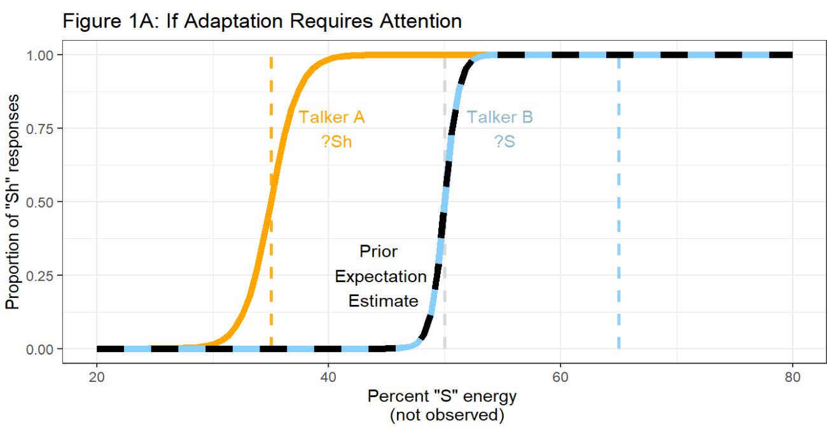

Talker B |  | Talker A |  | Talker B |  | Talker A |  | Talker B |  | Talker A
 |  |  |  |  |  |  |  |  |  |  |  | Adaptation is found only for the attended talker.
Each block has a total of 6 trials. Each trial is one item from the 6 step asi-ashi test coninuum. Items are presented in a randomized order. All items are heard once before proceeding to the next block. The test continuum will be produced by both talkers 6 times each. The talkers will alternate every two blocks to minimize additional strain on cognitive resources that may occur due to swapping between talkers. Which talker (male/female) speaks first will be counterbalanced within the experiment = two possible lists for test trials

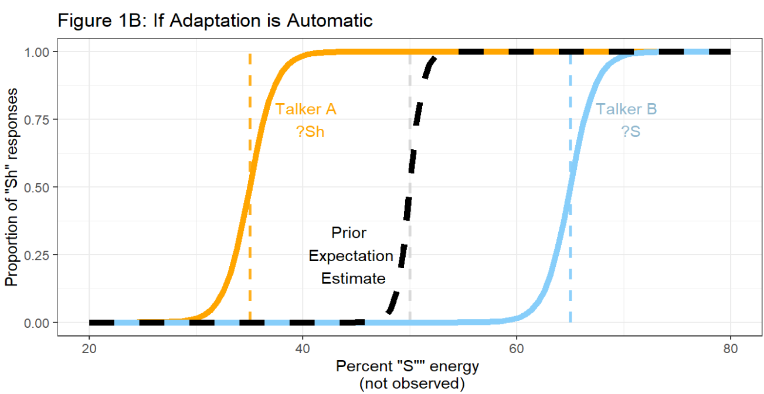
Test Items
1 | ashi.25
2 | ashi.30 |  |  |  |  |  |  |  |  |  |  | Predicted results if adaptation is automatic:
3 | ashi.40
4 | ashi.45
5 | ashi.50 |  |  |  |  |  |  |  |  |  |  | Adaptation is found for both talkers
6 | ashi.70

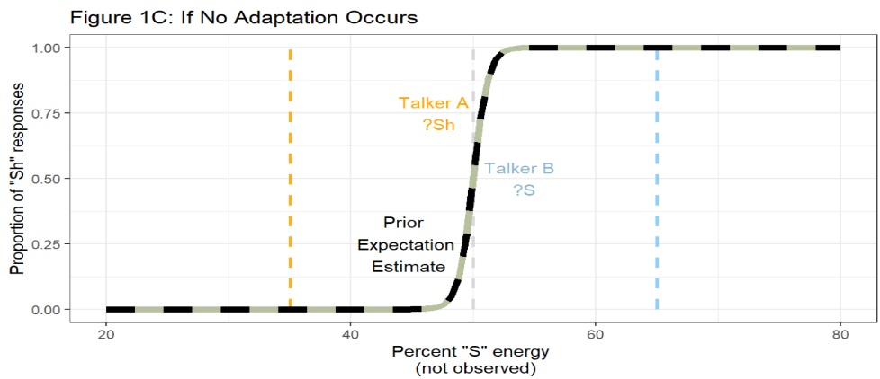
 |  |  |  |  |  |  |  |  |  |  |  | Predicted results if there is no adaptation to either talker:

 |  |  |  |  |  |  |  |  |  |  |  | Simultaneous exposure to two talkers could disrupt the necessary attention to adapt to either talker

